Sheet1
General Template |  | Hypothesis test |  | Calculated data | n (sample size) | 10
 |  | H_a |  |  | d (sample mean of paired diff) | 8.4
KEY | UPDATE FORMULA/VALUE MANUALLY FROM DATA | x<p | left tailed test |  | df | 9
 | Calculated data | x>p | right tailed |  | stdev (of paired differences) | 4.8808013914
 | Calculated data with hawkes t | x!=p | two tailed |  | u_d (mean from null hypo) | 0
 | MANUALLY UPDATE WITH HAWKES T |  |  |  | t (test statistic) | 5.4423710812 | t (test statistic) | 5.4
 |  |  |  |  | confidence | 95
 |  |  |  |  | a | 0.05
Raw Data
Golfer | Sit-ups before | Sit-ups after | Paired Difference, d=x2−x1
1 | 42 | 57 | 15
2 | 42 | 48 | 6 |  | left tailed
3 | 23 | 29 | 6 | Calculated | p-value | 0.00020485729387 | TRUE | if true | null hypo rejected
4 | 32 | 41 | 9 | Given | p-value | 0.000216503216 |  | if false | fail to reject null hypo
5 | 30 | 36 | 6 |  | right tailed
6 | 42 | 57 | 15 | Calculated | p-value | 0.00020485729387 | TRUE | if true | null hypo rejected
7 | 25 | 40 | 15 | Given | p-value | 0.000216503216 |  | if false | fail to reject null hypo
8 | 47 | 51 | 4 |  | two-tailed
9 | 35 | 41 | 6 | Calculated | p-value | 0.00040971458774 | TRUE | if true | null hypo rejected
10 | 38 | 40 | 2 | Given | p-value | 0.000433006432 |  | if false | fail to reject null hypo

Example 1
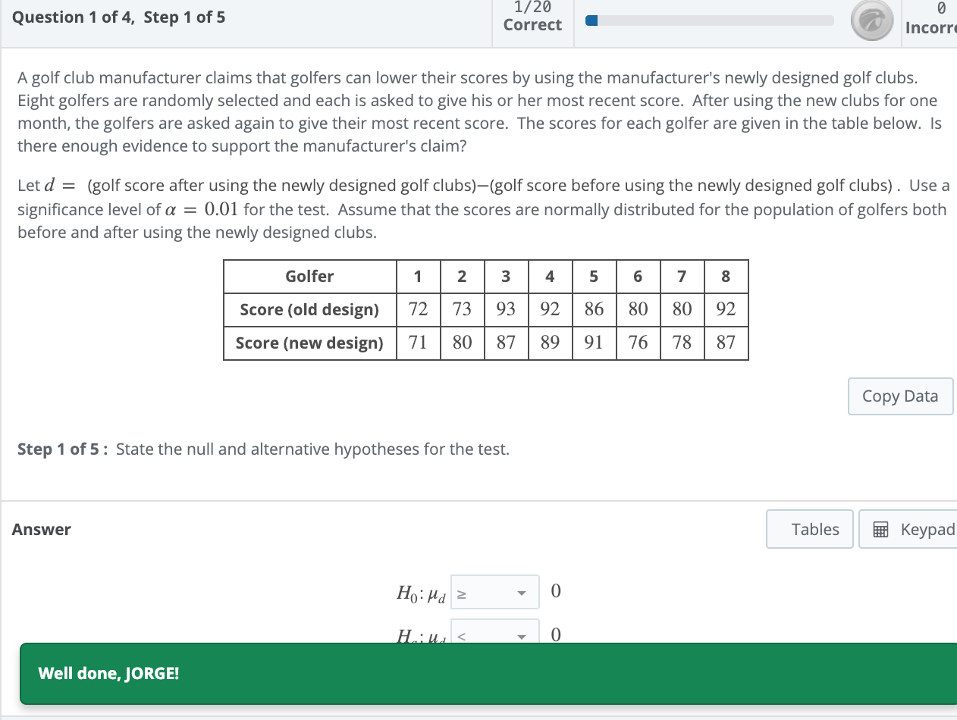

Example 1 |  | Hypothesis test |  | Calculated data | n (sample size) | 8
 |  | H_a |  |  | d (sample mean of paired diff) | -1.125
KEY | UPDATE FORMULA/VALUE MANUALLY FROM DATA | x<p | left tailed test |  | df | 7
 | Calculated data |  |  |  | stdev (of paired differences) | 4.7037219306
 | Calculated data with hawkes t |  |  |  | u_d (mean from null hypo) | 0
 | MANUALLY UPDATE WITH HAWKES T |  |  |  | t (test statistic) | -0.6764814252 | t (test statistic) | -0.677
 |  |  |  |  | confidence | 99
 |  |  |  |  | a | 0.01
Raw Data
Golfer | Score (old design) | Score (new design) | Paired Difference, d=x2−x1
1 | 72 | 71 | -1
2 | 73 | 80 | 7 |  | left tailed
3 | 93 | 87 | -6 | Calculated | p-value | 0.26022686086 | FALSE | if true | null hypo rejected
4 | 92 | 89 | -3 | Given | p-value | 0.26007191847 |  | if false | fail to reject null hypo
5 | 86 | 91 | 5
6 | 80 | 76 | -4
7 | 80 | 78 | -2
8 | 92 | 87 | -5

Example 2 |  | Hypothesis test |  | Calculated data | n (sample size) | 7
 |  | H_a |  |  | d (sample mean of paired diff) | -0.42857142857
KEY | UPDATE FORMULA/VALUE MANUALLY FROM DATA | x!=p | two tailed |  | df | 6
 | Calculated data |  |  |  | stdev (of paired differences) | 0.44239607335
 | Calculated data with hawkes t |  |  |  | u_d (mean from null hypo) | 0
 | MANUALLY UPDATE WITH HAWKES T |  |  |  | t (test statistic) | -2.5630729732 | t (test statistic) | 5.4
 |  |  |  |  | confidence | 99
 |  |  |  |  | a | 0.01
Raw Data
Subject | Temperature (before) | Temperature (after) | Paired Difference, d=x2−x1
1 | 100.6 | 100.2 | -0.4
2 | 99.5 | 98.7 | -0.8 |  | two-tailed
3 | 97.9 | 98.4 | 0.5 | Calculated | p-value | 0.042731523498 | FALSE | if true | null hypo rejected
4 | 100.4 | 99.6 | -0.8 | Given | p-value | 0.0016638865549 |  | if false | fail to reject null hypo
5 | 99.5 | 99 | -0.5
6 | 100.7 | 100.1 | -0.6
7 | 99.5 | 99.1 | -0.4

